Ultrasound
Ultrasound

1 | Name some of the interactions that ultrasound undergoes as it propagates. | Front Page
2 | Tell me more about reflection.
3 | What is acoustic impedance?
4 | What is it about acoustic impedance that causes reflection?
5 | Does a big difference in acoustic impedance mean a strong or weak reflection?
6 | Where would you see big difference in the body?
7 | Modern linear array transducers have many elements. Roughly how many?
8 | You might expect that each element would correspond to a single line of ultrasound, but that's not the case. How do they work?
9 | Why do they work like that?
10 | Draw a picture illustrating focussing. Which of the pulses are delayed?
11 | What's the thin layer just above the bottom wall [of the carotid artery]?
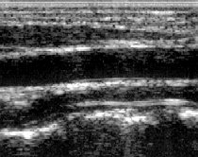

12 | What is this a picture of?
13 | Where in the image are there strong reflectors?
14 | What is the dark line [here, extending below lateral edge of skull]? | Front Page
15 | What measurements are made in obstetrics?
16 | Could you show me on the image where the measurement of biparietal diameter is made?
17 | What type of [image] is this? [Colour Doppler, with spectral Doppler trace below]
18 | What type of blood vessel is it? [distinctly pulsatile, therefore artery]
19 | Why does colour Doppler have poorer spatial resolution than B-mode?
20 | What type of vessel is this one? [almost no pulsatility, therefore vein although it did occur to me afterwards that I'd seen an arterial waveform that looked just like that in a rather poorly patient]
21 | Are you a defender of the Cardiff test object?!
22 | What type of test object is needed to assess modern scanners?
23 | Do you know of any that are commercially available?
24 | How could you measure beam hardening directly?
25 | What's this?
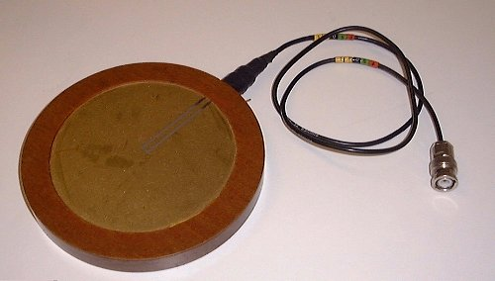

26 | Where's the active element?
27 | What size is it?
28 | Why would you use something that big when the active part is so small?
29 | Have you used any other types of hydrophone? | Front Page
30 | What's the difference between them?
31 | Have you ever seen an image like this? What has caused it?



33 | If you had two scanners and the echoes died away at different depths, what is it telling you about?
34 | Is it a useful test?
35 | What about using the test over time on the same scanner?
36 | Do you know how ultrasound in medicine started?
37 | What does the resolution of ultrasound images depend on?
38 | Would you use a high frequency to scan an abdomen?
39 | What does a cyst look like, and why?
40 | What are the safety concerns with ultrasound generally? And with Doppler in particular?
41 | Explain what you mean by non-linear propagation effects?
42 | Why do you not see these effects close to the transducer?
43 | TI measurement: What steps did you take to minimise reflections/reverberations in the beam?
44 | Explain aperture construction
45 | Effective radiating area measurement: Explain the apertures method | Front Page
46 | Why did you conclude it to be better that linear hydrophone scanning?
47 | QA calliper measurements: Where did you place the cursors? Why?
48 | Did you examine the distribution of measurements to establish operator uncertainty?
49 | Do you think this is a reasonable tolerance?

